Application Overview
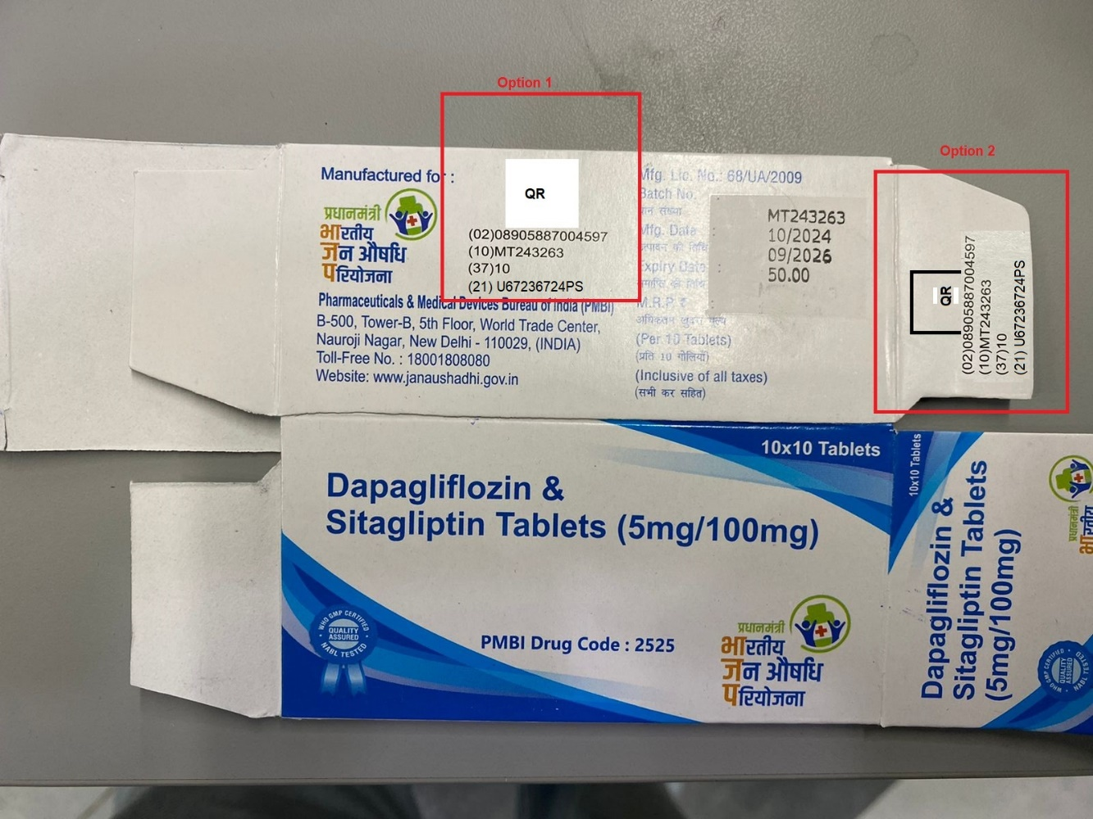
Product Variants | ~100
Carton Size - Minimum: 160 mm x 45 mm , Maximum: 220 mm x 230 mm
Speed | 120 PPM
Max Data Points | 8
Format Option Need to be added in Datetime column

Applications
Case 1:(If box has space) |  | 8 lenth fixed-All Data coming from digital link
QR, Human Readable (GTIN, Batch, Sr. No)
PMBI Drug code at separate location
OCR of 4 lines – Batch, Manuf, exp date and MRP printed on secondary pack
MFG and Exp Format user will enter

Case 2:-Data comes from digitql link
OCR of 4 lines – Batch, Manuf, exp date and MRP printed on secondary pack |  |  | Manual Entry

Case 3:-Manual Entry
Validation of EAN 13 barcode by scanning to ensure correct product is pack
Note: Only 1 barcode shall be available on pack else camera will not be able to produce results

Case 4 and Case 1 are same
Datamatrix, Human Readable (GTIN, Batch, Expiry, Sr. No)-Export Material Case

Data Sharing
OCR / Barcode data to be shared to Dash Software over ethernet
Model selection can be done in dash software

Case 5:(If box has space)-Non Serialized Barcode
GS1-Datamatrix, Human Readable (GTIN, Batch, Qty)
PMBI Drug code at separate location
OCR of 4 lines – Batch, Manuf, exp date and MRP printed on secondary pack
MFG and Exp Format user will enter

